ME-Sui Kamada
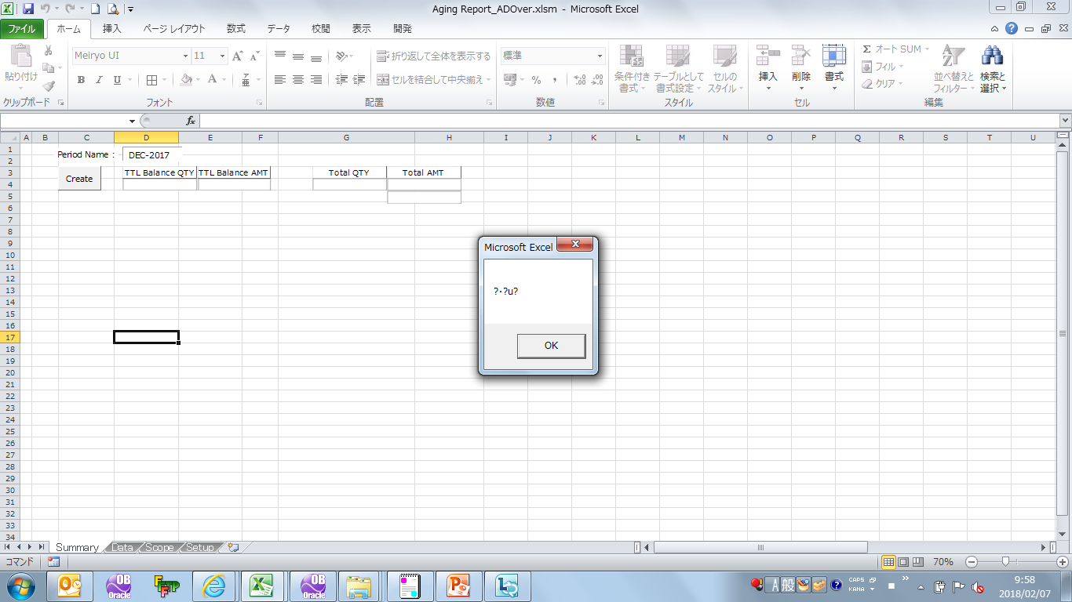
ME-Sui Kamada | ADO ver
 | Press [Create], Error message is shown.

TIP ISD Pat
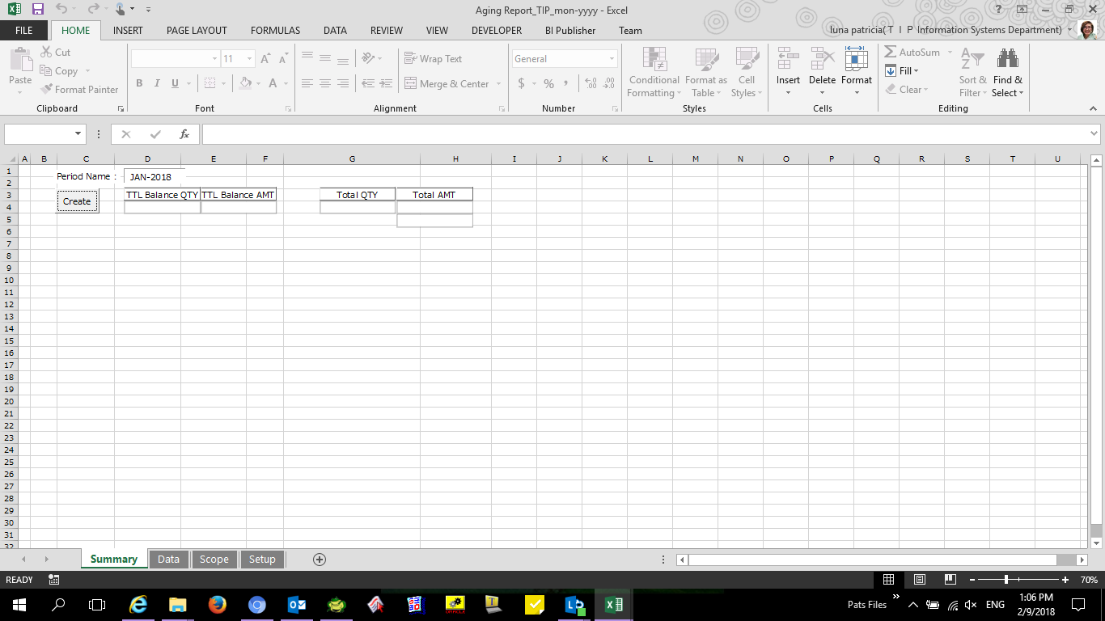

TIP ISD Nilo
